Table 1
Evidence for evolutionary specialization in human limbic structures Nicole Barger 1,2*, Kari L. Hanson 1, Kate Teffer 1, Natalie M. Schenker-Ahmed 3 and Katerina Semendeferi 1,4* 1 Department of Anthropology, University of California San Diego, La Jolla, CA, USA 2 Psychiatry and Behavioral Sciences, MIND Institute, Department of Psychiatry and Behavioral Sciences, University of California Davis, Sacramento, CA, USA 3 Department of Radiology, University of California San Diego, La Jolla, CA, USA 4 Neuroscience Graduate Program, University of California San Diego, La Jolla, CA, USA
Edited by: Chet C. Sherwood, George Washington University, USA Reviewed by: Robert A. Barton, University of Durham, UK Mary Ann Raghanti, Kent State Universtiy, USA *Correspondence: Nicole Barger, Department of Psychiatry and Behavioral Sciences, UC Davis MIND Institute, 2805 50th St., Sacramento, CA 95817, USA e-mail: nbarger@ucdavis.edu; Katerina Semendeferi, Department of Anthropology, University of California San Diego, 9500 Gilman Dr 0532, La Jolla, CA 92093-0532, USA e-mail: ksemende@ucsd.edu | Increasingly, functional and evolutionary research has highlighted the important contribution emotion processing makes to complex human social cognition. As such, it may be asked whether neural structures involved in emotion processing, commonly referred to as limbic structures, have been impacted in human brain evolution. To address this question, we performed an extensive evolutionary analysis of multiple limbic structures using modern phylogenetic tools. For this analysis, we combined new volumetric data for the hominoid (human and ape) amygdala and 4 amygdaloid nuclei, hippocampus, and striatum, collected using stereological methods in complete histological series, with previously published datasets on the amygdala, orbital and medial frontal cortex, and insula, as well as a non-limbic structure, the dorsal frontal cortex, for contrast. We performed a parallel analysis using large published datasets including many anthropoid species (human, ape, and monkey), but fewer hominoids, for the amygdala and 2 amygdaloid subdivisions, hippocampus, schizocortex, striatum, and septal nuclei. To address evolutionary change, we compared observed human values to values predicted from regressions run through (a) non-human hominoids and (b) non-human anthropoids, assessing phylogenetic influence using phylogenetic generalized least squares regression. Compared with other hominoids, the volumes of the hippocampus, the lateral nucleus of the amygdala, and the orbital frontal cortex were, respectively, 50, 37, and 11% greater in humans than predicted for an ape of human hemisphere volume, while the medial and dorsal frontal cortex were, respectively, 26 and 29% significantly smaller. Compared with other anthropoids, only human values for the striatum fell significantly below predicted values. Overall, the data present support for the idea that regions involved in emotion proce
INTRODUCTION Emotional behaviors and the neural structures that subserve them have traditionally been regarded as evolutionarily con-served. Historically, a number of structures have been implicated in emotion production and evaluation and have been commonly grouped together under the umbrella of the “limbic system.” While, in its inception, the limbic system concept was informed by experimental and psychiatric data (MacLean, 1949, 1952), it also became intimately tied to theories of brain evolution. Specifically, its originator, Paul MacLean, proposed that the “pale-omammalian” limbic system, present in all mammalian brains, was phylogenetically primitive relative to the “neomammalian” neocortex, which appeared most developed in large brained mammals (MacLean, 1967, 1972). Functionally, in humans, the limbic system was purported to serve animalistic, “visceral” func- tions, while the neocortex was tied to higher intellectual function |  | (MacLean, 1967). However, contemporary neurophysiological data suggest that emotion does contribute critically to higher order cognitive behaviors, like social decision making (Damasio, 1994; Bechara et al., 2000; Bar-On et al., 2003; Rilling et al., 2008) and theory of mind (Corden et al., 2006; Powell et al., 2010). Additionally, neuroscientific research indicates that limbic structures, while critically involved in motivational and emo-tional behavior, are also integrated into myriad functional systems (Damasio, 1998; Heimer and Van Hoesen, 2006). For example, the hippocampus participates in anxiety regulation and contex-tual fear conditioning (LeDoux, 2000; Calandreau et al., 2005; Fanselow and Dong, 2010) as well as episodic and spatial mem-ory (Burgess et al., 2002; Fanselow and Dong, 2010). Thus, from a functional and anatomical perspective, it may be unwise to view the limbic system as a wholly separate, isolated, and prim-itive module that works in parallel to rather than in concert
doi: 1
ORIGINAL RESEARCH ARTICLE
published: 20 May 2014 0.3389/fnhum.2014.00277
HUMAN NEUROSCIENCE

Table 2
with non-limbic networks subserving advanced cognitive behav- iors. It is perhaps not surprising, then, that emotion is becoming increasingly more central to evolutionary theories of human and non-human primate behavior and cognition, especially those focusing on complex social cognitive abilities like cooperation and social problem solving (Hare, 2007; Herrmann et al., 2007, 2011) or social perception and mentalizing (Aureli and Schaffner, 2002; Parr et al., 2005; Barnard et al., 2007; deWaal, 2008; Byrne and Bates, 2010; Dobson and Sherwood, 2011). At the same time, few recent comparative studies have explicitly addressed the evolution of emotion regulating structures from a neuroanatom-ical perspective. Given an increased interest in the relationship between emotion and complex cognition in the neuroscientific and evolutionary literature, it may be a fitting time to explic-itly address the question: are neural structures associated with emotion necessarily de-emphasized in human brain evolution? A number of neural structures have been hypothesized to underlie emotional expression and evaluation. At the heart of the limbic system is the circuit famously proposed by Papez (1937) as the “anatomical basis of emotion.” It includes the cingulate cor-tex, anterior thalamic nucleus, hypothalamic mammillary bodies, and hippocampus (Figure 1A). In light of developing experi-mental evidence, MacLean (1949, 1952) proposed expanding the emotion network to include components of Broca’s great limbic lobe (and Turner’s rhinencephalon), which Papez’s circuit largely overlapped (Figure 1B). As data has subsequently accumulated, the limbic system concept has undergone a number of reformu-lations and critiques (reviewed extensively in Lautin, 2001). In a recent assessment, Heimer and Van Hoesen (2006) strongly advocate for the anatomical and functional importance of this network, stressing the anatomical cont | orbital, ventromedial frontal, and temporal cortex, as well as the hippocampus and corticobasolateral amygdala. They also high-light the importance of regions of the basal forebrain which are functionally and connectively associated with the limbic lobe (Figure 1B), including the striatum, globus pallidus, hippocam-pus, septal nuclei, hypothalamus, nucleus basalis of Meynert, and extended amygdala (the central and medial amygdaloid nuclei and their extensions into the basal forebrain). In terms of human brain evolution, only a handful of con-temporary volumetric analyses have targeted the evolution of limbic structures. While only a few attempts have been made to perform a broad evolutionary analyses of this system (Vilensky et al., 1982; Stephan, 1983; Armstrong, 1990), some studies have addressed individual structures in this network. In their early vol-umetric evolutionary analyses, Heinz Stephan and his colleagues included several anatomical constituents of the limbic system in their extensive primate datasets. They reported that these limbic structures are not evolutionarily conserved or regressive by their nature, but that many appeared, “progressive,” i.e., expanded, in humans (Stephan and Andy, 1964; Andy and Stephan, 1968; Stephan, 1983; Stephan et al., 1987). While the methodologies utilized by this group were based on relationships between brain and body size and are not employed in contemporary analy-ses, on the whole, the few recent volumetric analyses that have addressed this question do not support a systematic reduction of the limbic system in human evolution. Available data sug-gests that regions of the amygdala incorporated into Heimer and Van Hoesen’s limbic lobe may be expanded in humans rel-ative to apes (Barger et al., 2007, 2012) and other primates (Barton and Aggleton, 2000), while the human insula is the size expected for a primate of human brain volume

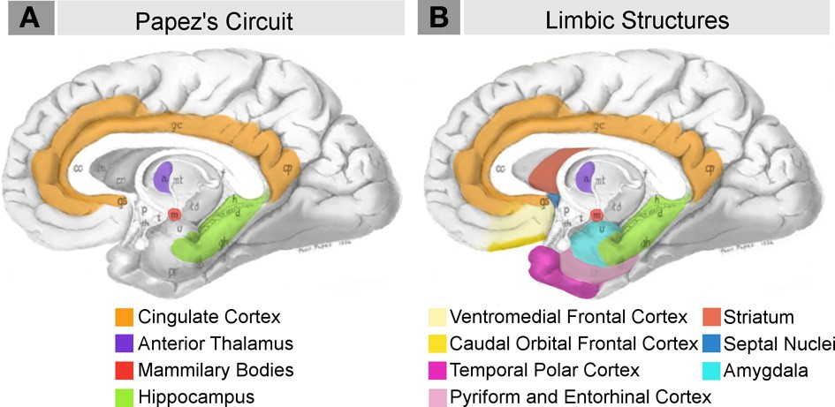 FIGURE 1 | Schematic briefly summarizing neural systems proposed to process emotion, highlighting structures that are visible on the medial surface of the brain. Papez’s (1937) original circuit (A) was expanded upon in the concept of the limbic system (B) to include a variety of subcortical and cortical territories (MacLean, 1952; Heimer and Van Hoesen, 2006). (Structures like the anterior insula and nucleus basalis of Meynert, which are not visible on the medial surface of the brain, are not represented here). Images modified from Papez’s (1937) original drawing.

Table 6
FIGURE 2 | Consensus phylogeny for (A) hominoids and (B) anthropoids in the analysis with common classifications of major non-human primate clades indicated. Branch lengths represent evolutionary distance on the scale of millions of years (mya). Consensus phylogenies drawn from the 10 kTrees Website.

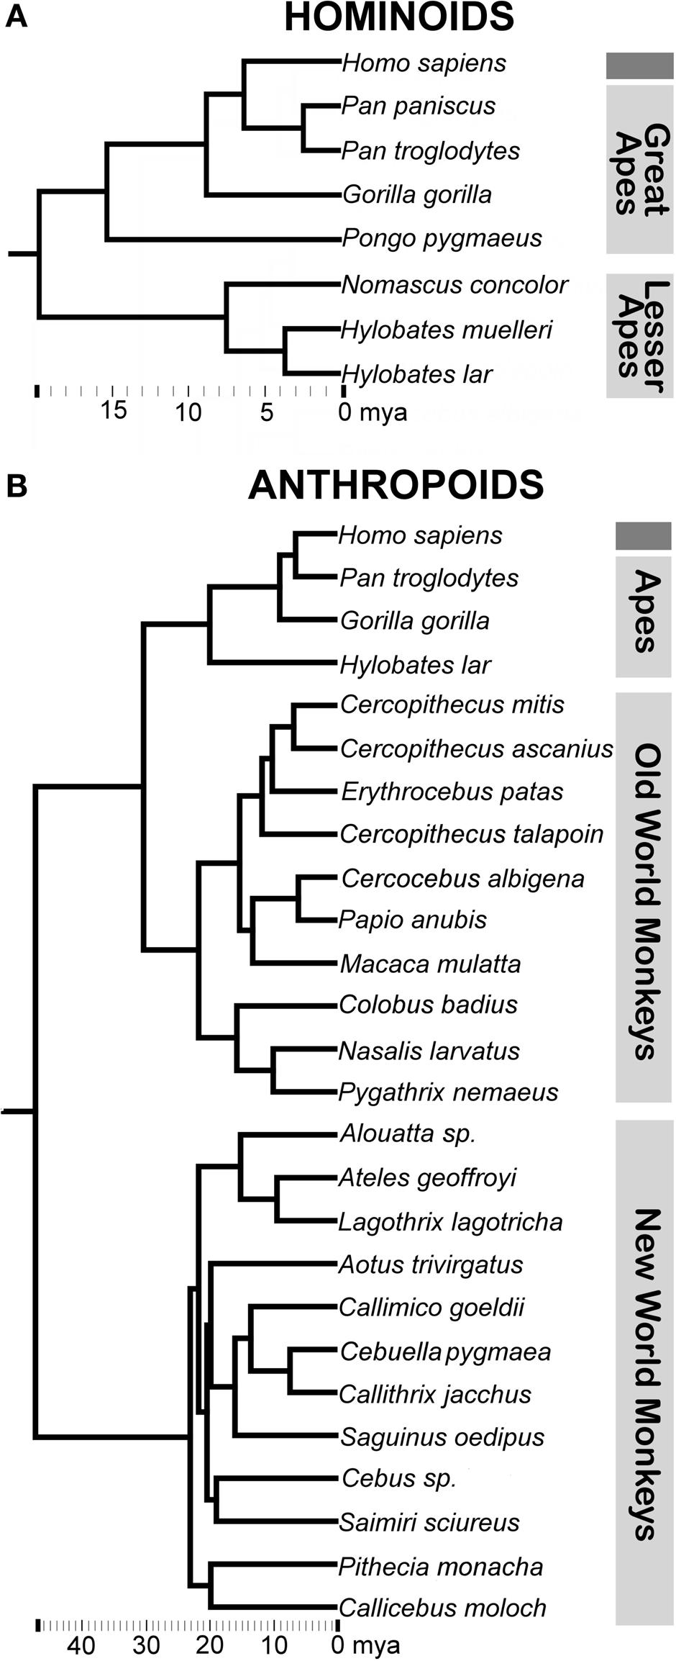 the original data space to analyze human deviations from predicted values. For subcortical data, human residuals were considered sig-nificantly different if they fell above or below the prediction interval derived from non-human primate data. For cortical data, enough human data points were available to test average resid-ual deviations from values predicted by the regression equation. In SPSS 17, we tested whether predicted values for humans deviated significantly from observed values using a two-sided stu-dent’s t-tests. This was particularly advantageous in the case of the dorsal and orbital frontal cortex, which produced lambda values near 1 in PGLS, necessitating the use of independent con- trasts in regression analyses. The PDAP software program for | independent contrasts regressions produces somewhat inflated prediction intervals (Midford et al., 2003), which may increase the likelihood of producing a type II error. Calculating the sig-nificance of average residual deviations provides a more sensitive, alternative measure testing for significant deviation in indepen-dent contrast analyses. In all cases, percent residual deviations from predicted values were also computed for each structure and are reported to provide for more intuitive interpretation of the results. Percent residual deviations were calculated using non-log-transformed values, i.e., log-transformed values derived from regression equations were inverted prior to calculating the percent. Percent residuals were calculated using a standard approach (see for example Sherwood et al., 2006) by first subtracting the mean predicted value (Y pred) from the mean observed value (Y obs), subsequently dividing this number by the observed value (Y obs), and multiplying the quotient by 100: [(Y obs − Y pred)/Y obs]∗ 100. RESULTS REGRESSIONS Results of regression analyses are summarized in Table 5. The maximum likelihood value of lambda ( ) for most structures was not significantly different from 0. Lambda values for the orbital and dorsal frontal cortex were not significantly different from 1. In no case did CAPER yield lambda values that were intermedi-ate between 0 and 1, indicating that the structures either did not show evidence of phylogenetic bias (based on an ultrametric tree) or that evolutionary change was explained by a basic Brownian model, respectively. For all structures, regressions against hemi-sphere volume were significant at p < 0.01. R2-values were high, ranging from 0.85–0.99, but tended to exceed 0.9 (Table 5). HUMAN RESIDUALS FOR SUBCORTICAL STRUCTURES Compared with other hominoids in analyses of subcortical struc-tures, humans exhibited positive residuals for the hippocampus, lateral amygdaloid nucleus, and whole

Table 8
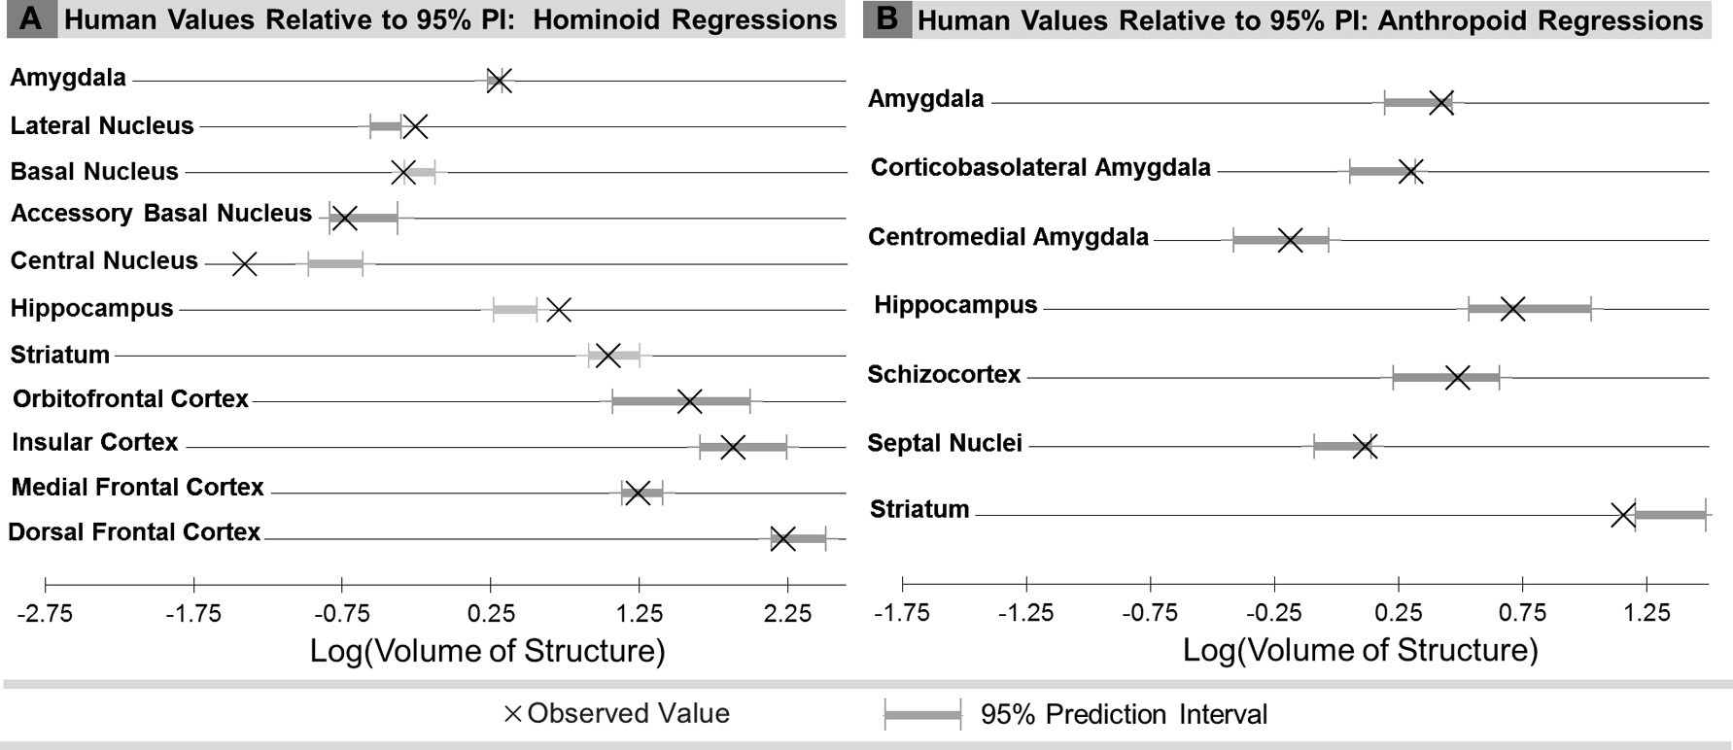
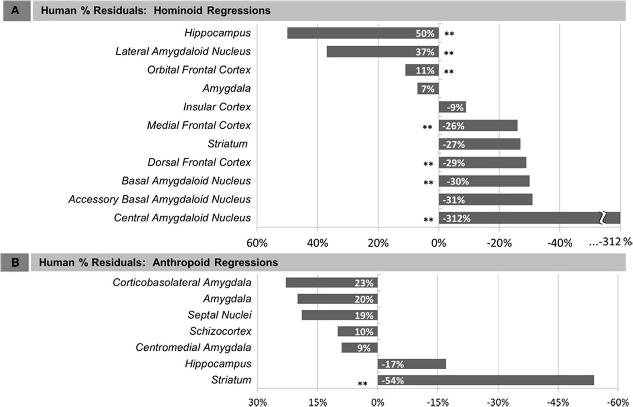 FIGURE 3 | Human percent residual deviations from non-human residuals that were significant, determined either by 95% prediction intervals regression lines for: (A) Human comparisons with other hominoids and (subcortical structures) or comparison of means at p < 0.05 (cortical (B) human comparisons with other anthropoids. Asterisks (∗∗) indicate structures).
FIGURE 4 | Comparison of observed human brain structure volumes with the range of values predicted for human hemisphere volume from the 95% prediction intervals (PI) for: (A) Human comparisons with other hominoids and (B) human comparisons with other anthropoids.
HUMAN RESIDUALS FOR CORTICAL STRUCTURES In comparisons of cortical structures in hominoids, mean human values fell within the prediction interval and only the mean residual for the orbital frontal cortex was positive (Table 5, Figures 3A, 4A). However, in t-tests, the mean residual for the human orbital frontal cortex was 11% significantly greater than | predicted (t = 3.27; p = 0.01) (Figure 7A). Orangutan residuals for the orbital frontal cortex were significantly lower than resid-uals for any other species, in this analysis, suggesting they may be a statistical outlier [One-Way ANOVA: F(6) = 6.04, p < 0.01; Tukey HSD, p < 0.05 for comparisons of orangutans and all other ape species]. Thus, we also ran the independent contrasts
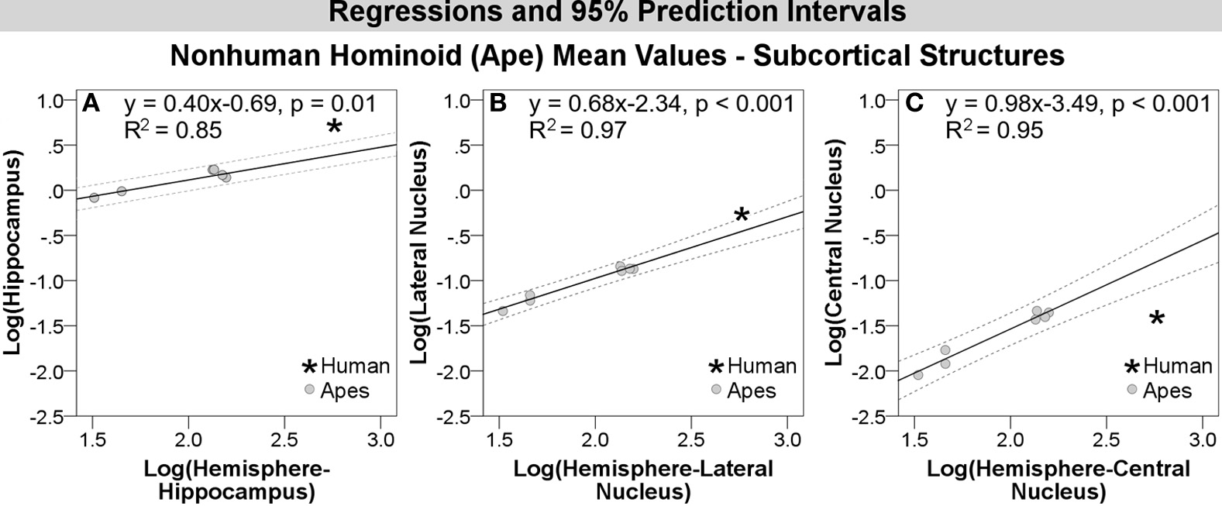 FIGURE 5 | Log-log regressions and 95% prediction intervals significance in statistical analyses, including: (A) hippocampus, (dashed lines) of species average volumes (cc) for select (B) lateral amygdaloid nucleus, and (C) central amygdaloid subcortical structures in the hominoid dataset, which reached nucleus.
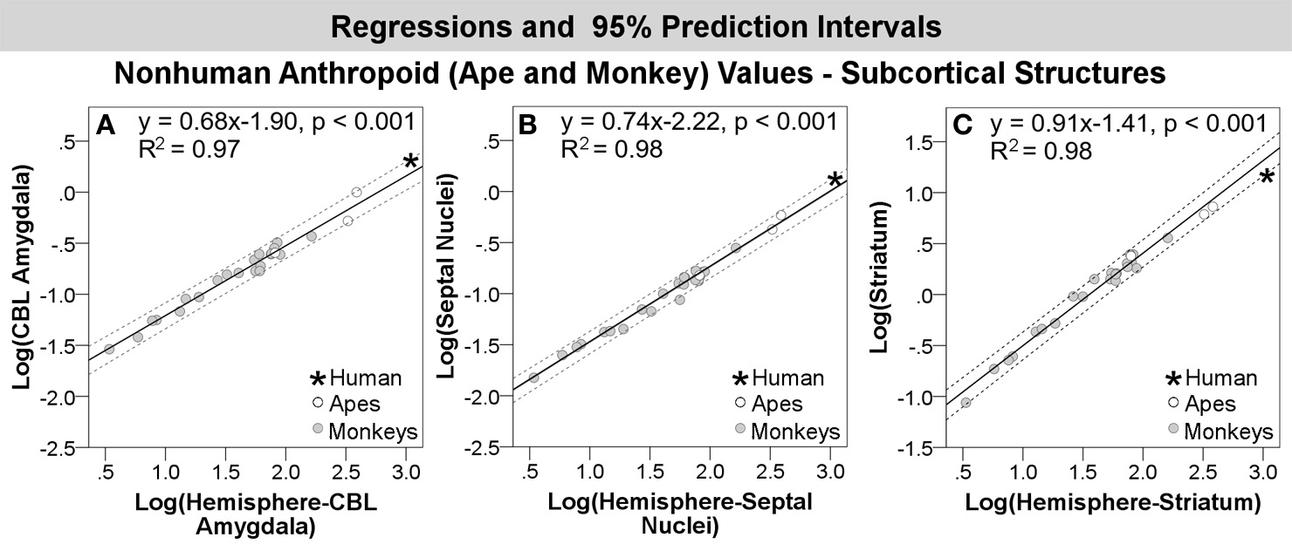 FIGURE 6 | Log-log regressions and 95% prediction intervals (dashed bounds of the prediction interval, including: (A) corticobasolateral lines) of species average volumes (cc) for select structures in the amygdala, (B) septal nuclei, and (C) striatum. Abbr: CBL, anthropoid dataset, which reached significance or fell in the upper corticobasolateral amygdala.
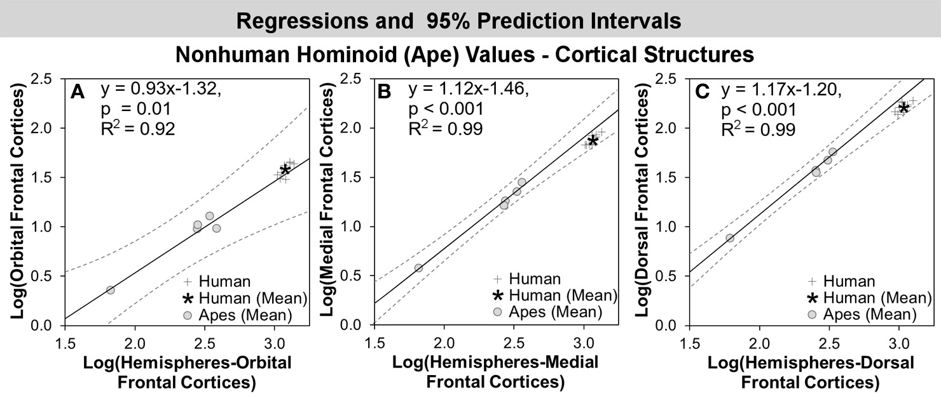 FIGURE 7 | Log-log regressions and 95% prediction intervals (dashed lines) of species average volumes (cc) for select cortical structures in the hominoid dataset, which reached significance in statistical analyses, including: (A) orbital frontal cortex, (B) medial frontal cortex, and (C) dorsal frontal cortex.

